Home
Home
Disclaimer
Guidance PLEASE READ
Brand expectations
Farm-level outcomes
Farm-level indicators
Brand-level indicators

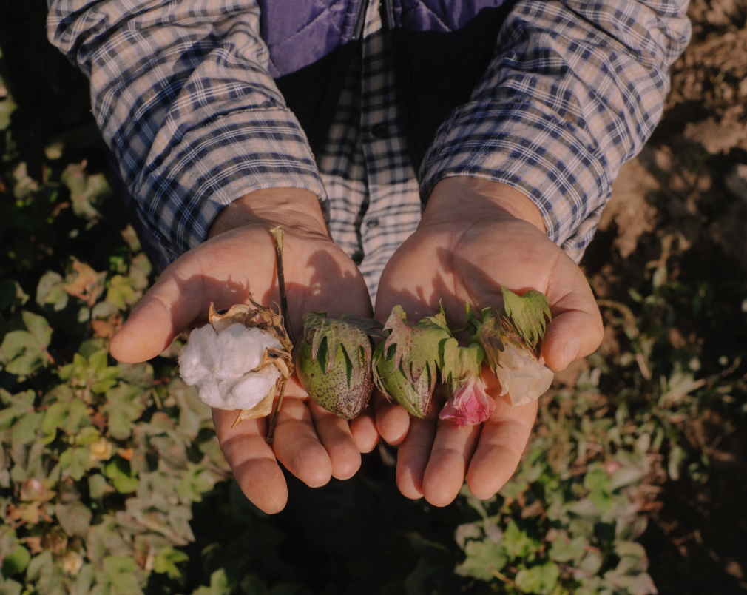

Photo: Anass Ouaziz

Disclaimer
Home
Home
Home
Switch to Guidance

Disclaimer

Disclaimer Although reasonable care was taken in the preparation of this document, Textile Exchange and any other party involved in the creation of the document hereby state that the document is provided without warranty, either expressed or implied, of accuracy or fitness for purpose, and hereby disclaim any liability, direct or indirect, for damages or loss relating to the use of this document. This is a voluntary framework and is not intended to replace the legal or regulatory requirements of any country. In any case of inconsistency between versions of the framework, reference shall be made to the version available on the Textile Exchange website.
Copyright This publication is protected by copyright. Information or material from this publication may be reproduced in unaltered form for personal, non-commercial use. All other rights are reserved. Information or material from this publication may be used for the purposes of private study, research, criticism or review permitted under the Copyright Act 1976. Any reproduction permitted in accordance with the Copyright Act 1976 shall acknowledge Textile Exchange as the source of any selected passage, extract, diagram or other information.
Feedback The Regenerative Agriculture Outcome Framework will undergo a regular revision process. You may submit feedback on the framework at any time by contacting:
impactdata@textileexchange.org

Guidance - Please read
Home
Home
Home
Switch to Disclaimer

Guidance

Background Textile Exchange’s Regenerative Agriculture Outcome Framework aims to help the fashion, textile, and apparel industry align on outcomes for assessing the holistic impacts of regenerative agriculture. It is designed to respect the inherent place-based nature of these systems while shifting the industry’s focus from avoiding negative outcomes to achieving measurable, positive ones instead. The framework is intended for the following main user groups: • Producers, suppliers, and grower groups • Brands and retailers • Project developers and technical assistant providers It can be used worldwide in any natural fiber or raw material production system, including cropping, grazing, and agroforestry. Special consideration was given to ensure it works for smallholders and resource-poor farmers. It is important to note that the Regenerative Agriculture Outcome Framework is not a standard. Instead, it provides a set of measurable and quantifiable indicators that can be referenced and used alongside existing standards where appropriate. While these indicators are suggested for use in monitoring outcomes across different regions and production systems, Textile Exchange does not provide specific measurement thresholds or requirements for them. For more information on the intended uses of the framework, please visit the accompanying guidebook.
How it works A choice of indicators is offered for each outcome area. This approach respects the context-based nature of regenerative agriculture and allows programs in different regions or at different stages of the regenerative journey to select indicators that work for them. Projects are not expected to demonstrate progress toward every outcome indicator listed. However, they are expected to select, establish a baseline for, and show meaningful efforts to track progress toward a context-appropriate selection of indicator(s) within each outcome area. For each indicator, references for standard operating procedures, methods, or specific guidance on assessment from existing sources are included, but these are not prescriptive, and others can be used if fit for purpose.
Selection of metrics Metrics were chosen based on transparent and publicly available research and documentation. Indicators that are part of proprietary tools or frameworks were not included.

Brand expectations
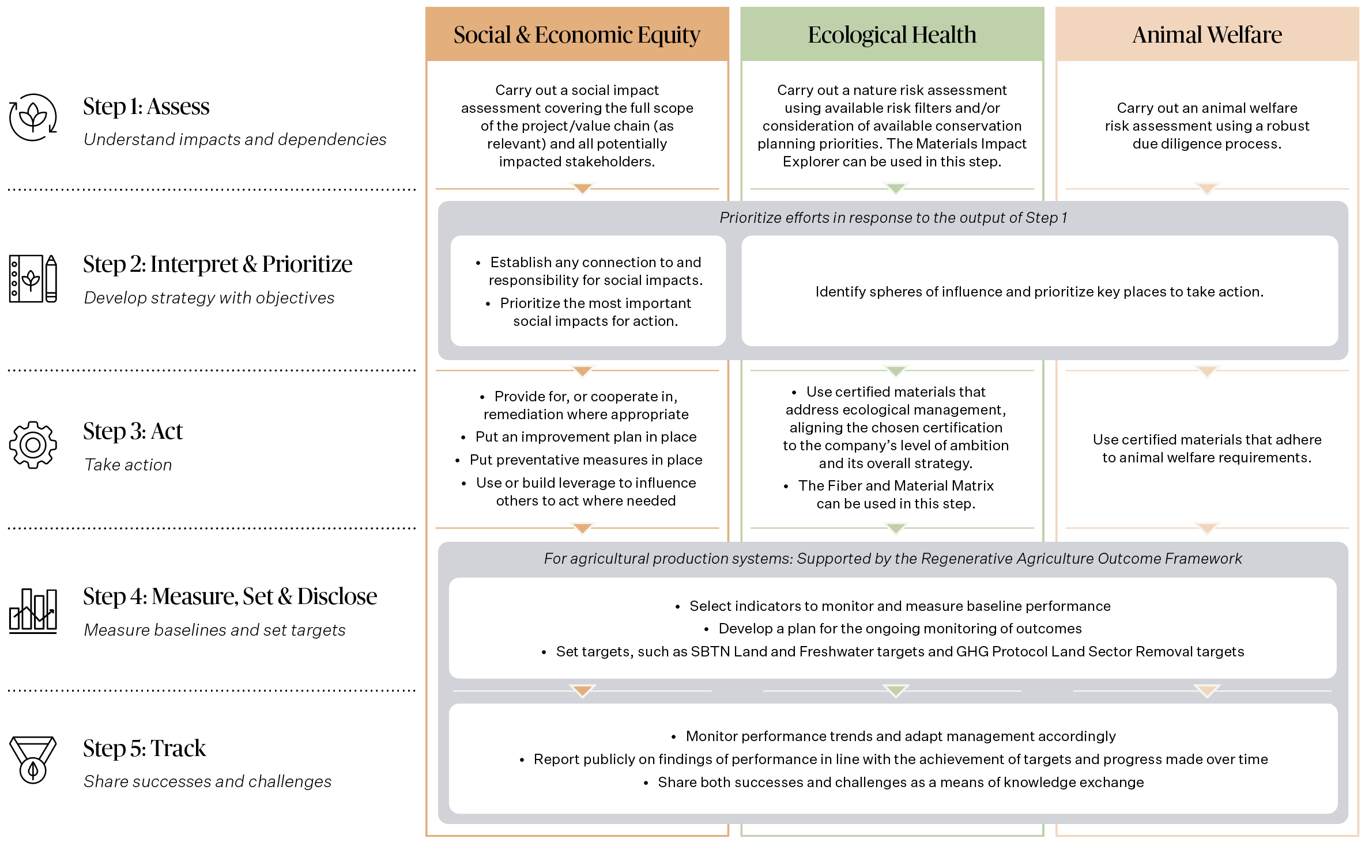
Home
Home
Home
Switch to Farm-level outcomes

Brand expectations

The following brand-level expectations should be in place before projects or programs are considered, or claimed, to be regenerative. Brands need to take Steps 1, 2, and 3 prior to using the framework. This includes assessing and prioritizing social and economic equity, ecological health, and animal welfare outcomes, as well as taking steps to mitigate any negative outcomes. Once this groundwork is in place, they can use the framework to help with Steps 4 and 5 to measure a baseline, set targets, and monitor and report progress over time.

Farm-level outcomes
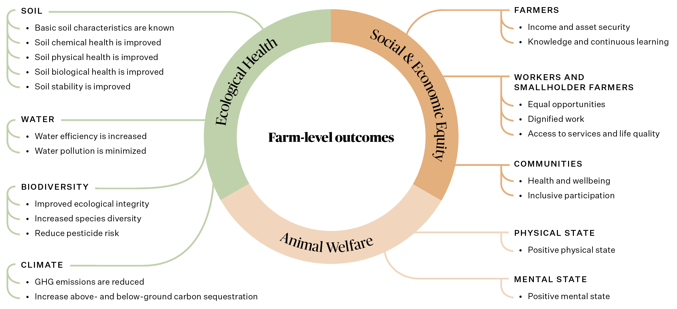
Home
Home
Home
Switch to Brand expectations

Farm-level outcomes

The Regenerative Agriculture Outcome Framework includes three categories of outcomes and indicators: social and economic equity, ecological health, and animal welfare. Producers should not be expected to monitor regenerative outcomes without support or to provide outcome data to brands for free. Instead, farm-level indicators can be assessed through collaboration with brands, project developers, extension agents, testing labs, and grower groups. By offering a choice of indicators for each outcome area, and including options tailored for smallholder and resource-poor farmers, the framework prioritizes outcome alignment while allowing flexibility in indicators and metrics based on context.

Farm-level indicators
Home
Switch to Brand-level Indicators
Home

Farm-level indicators

Category | Component | Outcome | Expectation | Ref # | Indicator | Rationale | Ref # | Metric | Unit | Type | Key Links | Source | Stage in Causal Pathway | Level of Application | Basic Basic training, no lab required | Intermediate Training needed, most labs can analyze | Advanced Specialized training, consulting, and/or lab needed
Social and Economic Equity | Farmers: Equitable benefits | Income and asset security | Choice of indicators: Recommend 1 or more | 3.0.1. | Productivity | An increase in gross margin is an indicator of increased income to a farmer and of progress towards a living income. | 3.0.1.a. | Gross margin | USD per ha of each crop or product that contributes to the farm’s aggregate profit | N/A | N/A | Delta Framework | Outcome | Farm-Level |  | ✓
 |  |  |  |  |  | An increase in productivity is an indicator of increased income to a farmer and of progress towards a living income. | 3.0.1.b. | Productivity/farm output value per hectare | Aggregate of (quantity x value) for each crop/product, calculated in local currency, divided by number of hectares/animals | N/A | N/A | FAO TAPE | Outcome | Farm-Level | ✓
 |  |  |  |  |  | Better accounts for productivity in large extensive systems such as pastoralism. | 3.0.1.c. | Total factor productivity | TFP = (Outputs of crops + livestock + trees + fish) / (Inputs of land + capital + labor + water + nutrients) | N/A | N/A | FAO TAPE | Outcome | Farm-Level |  | ✓
 |  |  | Recommended | 3.0.2. | Living income | A decrease in the size of the gap between the median actual household income and Living Income Benchmark over time. | 3.0.2.a. | Progress towards living income | USD and local currency equivalent per year | N/A | N/A | Living Income Community of Practice | Outcome | Farm-Level |  |  | ✓
 |  |  | Recommended | 3.0.3. | Diversity of farm income | Increased diversity of farm income sources can build ability to withstand outside shocks such as climate change impacts. | 3.0.3.a. | Diversity of agroecological system | Percentage. Characterization of Agroecological Transitions (CAET) Diversity Scale | N/A | N/A | FAO TAPE | Outcome | Farm-Level | ✓
 |  |  | Choice of indicators: Recommend 1 or more | 3.0.4. | Generational transfer of farms | An increase in generational transfer can be an indicator that a farm income is stable and secure and seen as sustainable for the next generation. | 3.0.4.a. | Next generation indicate they will take over family farm management | Perception Rating | N/A | N/A | Terra Genesis | Outcome | Farm-Level | ✓
 |  |  |  |  |  | An increase in farmer perception that the crop/animal can be a viable livelihood for their children indicates that a farm income is stable and secure and seen as sustainable for the next generation. | 3.0.4.b. | Perception that target crop/animal could provide a viable livelihood for the next generation | Perception Rating | N/A | N/A | Sustainable Food Lab | Outcome | Farm-Level | ✓
 |  | Knowledge and continuous learning | Choice of indicators: Recommend 2 or more | 3.0.5. | Access to information and training | Increased access to information and training on topics such as good agricultural practices, traditional knowledge, and weather patterns, local climate changes etc. can help improve productivity, environmental impacts, yield, prepare farmers to manage climate shocks and other future circumstances. | 3.0.5.a. | Number of information-sharing or training sessions which farmer participates in | Number per year | N/A | N/A | Customized indicator for this Framework | Output | Farm-Level | ✓
 |  |  |  | 3.0.6. | Access to technology | Increasing access to technology can support farmers in increasing productivity, monitoring and optimizing their operations, providing market information or building regenerative systems, building their knowledge and continuous learning opportunities. | 3.0.6.a. | Frequency that a technology is accessed | Number of times technology accessed per year | N/A | N/A | Customized indicator for this Framework | Output | Farm-Level | ✓
 |  |  |  | 3.0.7. | Access to microfinance or insurance | Access to microfinance loans or insurance schemes can support farmer to make investments towards regenerative farming or reducing the risk the farmer is exposed to. | 3.0.7.a. | Value of microfinance loan or insurance coverage | USD and local currency equivalent per year | N/A | N/A | Customized indicator for this Framework | Outcome | Farm-Level | ✓
 | Workers and smallholder farmers: Equal opportunities and fairness | Equal opportunities | Choice of indicators: Recommend 2 or more | 3.0.8. | Gender equality | Increased participation of women in the workforce, earning the same as a man doing the same role, is an early indicator of increased gender equality. | 3.0.8.a. | Percentage of workforce who are female and earning an equal wage | % | N/A | N/A | Customized indicator for this Framework | Input | Farm-Level | ✓
 |  |  |  |  |  | The A-WEAI covers 1) women's input in productive decisions, 2) Ownership of assets, 3) Access to credit, 4) Control over use of income, 5) Group membership; 6) Workload. These areas are representative of gender equality and women being able to equally participate in work and society. | 3.0.8.b. | IFPRI Abbreviated Women’s Empowerment in Agriculture Index (A-WEAI) | AWEAI Score | N/A | N/A | https://weai.ifpri.info/versions/a-weai/ | Outcome | Farm-Level |  | ✓
 |  |  |  |  |  | The Delta Framework Women's Empowerment Indicator includes three domains: Leadership, decision-making and access to financial services. These domains are representative of gender equality and women being able to equally participate in work and society. | 3.0.8.c. | Delta Framework Composite Indicator for Women’s Empowerment | Women's Empowerment Score | N/A | N/A | https://www.deltaframework.org/wp-content/uploads/2022/08/Delta-Framework-Sustainability-Indicators-3.pdf | Outcome | Farm-Level |  | ✓
 |  | Dignified work | Choice of indicators: Recommend 1 or more | 3.0.9. | Living wage progress | Progress towards a living wage, a decrease in gap (deficit) between prevailing wages and the living wage benchmark for a given country / industry enables workers to be fairly paid and thrive. | 3.0.9.a. | Gap between prevailing wages and a local living wage benchmark | USD and local currency equivalent per year | N/A | N/A | Global Living Wage Coalition | Outcome | Farm-Level |  |  | ✓
 |  |  |  | 3.0.10. | Access to information and training | Increased access to information and training on topics such as rights' awareness, locally accessible benefits, health and wellbeing, leadership, finance and agricultural practices can support workers' development and advancement. | 3.0.10.a. | Number of information-sharing or training sessions for workers to participate in and number of workers participating | Number of sessions per year and participation rate | N/A | N/A | Customized indicator for this Framework | Output | Farm-Level | ✓
 |  | Access to services and life quality | Choice of indicators: Recommend 1 or more | 3.0.11. | Access to social benefits | In many geographies it is not the norm to necessarily be registered for governmental benefits, but they can provide great support to workers in terms of health, education, finance. Increasing the percentage over time is a positive indicator of workers' access to services and life quality improving. | 3.0.11.a. | Percentage of workforce who are registered and able to access government or regional social benefits | % | N/A | N/A | ILO - Social Protection | Output | Farm-Level | ✓
 |  |  |  | 3.0.12. | Children in education | In many contexts, access to education for workers' children is an indicator that a worker is earning a decent, stable income and has the access to educational services. Education is an enabler to reduce inequality. Increasing the percentage over time is a positive indicator of workers' access to services and life quality improving. | 3.0.12.a. | Percentage of workforce with children who are engaged in education | % | N/A | N/A | Customized indicator for this Framework | Outcome | Farm-Level | ✓
 |  |  |  | 3.0.13. | Additional health services accessed | An increase in the level of accessed additional health services to workers such as annual health checks or mental health support can enable workers to identify any health concerns proactively and positively impact their life quality. | 3.0.13.a. | Percentage of workforce accessing additional health services including annual health checks or mental health support | % | N/A | N/A | Customized indicator for this Framework | Output | Farm-Level |  | ✓
 | Communities | Health & wellbeing | Choice of indicators: Recommend 3 or more | 3.0.14. | Management of potential environmental impacts | An increase in number of mitigation techniques can ensure that potential pollution impacts on local communities are minimized. | 3.0.14.a. | Mitigation techniques in place including: visible signs of danger after spraying, secure disposal of empty containers and community informed of danger | Number of mitigation techniques | N/A | N/A | FAO TAPE | Input | Farm-Level | ✓
 |  |  |  |  |  | Many of the outcomes and indicators outlined within the other areas of this framework have beneficial outcomes to people as well as the environment and in particular local communities. It is worth noting these linkages. | 3.0.14.b. | Relevant Water and Biodiversity Indicators including: Nutrient Loss, Natural/Restored habitat in agricultural landscapes and pesticide usage | See relevant indicators in Ecological Health category | N/A | N/A | Customized indicator for this Framework | Outcome | Farm-Level | TBD based on relevant ecological health indicators
 |  |  |  |  |  | Collaboration with Indigenous Peoples and Local Communities is crucial to develop stronger solutions and avoid continued harm to their cultures, including human rights violations, and their natural resources. | 3.0.14.c. | Mitigation and prevention techniques identified through collaborative partnership with Indigenous Peoples | Techniques identified through collaborative process | N/A | N/A | Indigenous Partnership Principles | Outputs | Farm-Level |  | ✓
 |  |  | Recommended | 3.0.15. | Creation and use of shared community assets | Farms can contribute to the local community by creating accessible shared assets including infrastructure, buildings, services and events. | 3.0.15.a. | Number of community members accessing shared community assets including buildings, services, events etc. | Number of community members accessing each year | N/A | N/A | Customized indicator for this Framework | Output | Farm-Level | ✓
 |  |  | Recommended | 3.0.16. | Reciprocal knowledge and continuous learning | Increased access to information and training on topics such as traditional knowledge, rights' awareness, locally accessible benefits, health and wellbeing, leadership, finance and agricultural practices can support farmer and communities' development opportunities. | 3.0.16.a. | Number of information-sharing or training sessions for community members or farmers to participate in and number of members participating | Number of sessions per year and participation rate | N/A | N/A | Customized indicator for this Framework | Output | Farm-Level | ✓
 |  |  |  |  |  | Restoration of / increase in cultural relationships and/or transfer of Traditional Ecological Knowledge (TEK). | 3.0.16.b. | Cultural relationships and Traditional Ecological Knowledge (TEK) | TBD based on collaborative process with community | N/A | N/A | Terra Genesis | Outcome | Farm-Level |  |  | ✓
 |  | Inclusive participation | Choice of Indicators: Recommend 2 or more | 3.0.17. | Participation and co-creation | Implementing good-faith, effective and meaningful consultations with Indigenous Peoples and Local Communities should be undertaken before initiating any operations that may affect them as well as during and at the end of operations. | 3.0.17.a. | Local Indigenous Peoples have been engaged and agreed on a continuous participation process | Co-created participation process in place with IPLC | N/A | N/A | OECD-FAO | Output | Farm-Level |  | ✓
 |  |  |  |  |  | Increasing participatory sessions with local rightsholders and ensuring that rightsholders are supported to create solutions for themselves and lead the work where they choose to do so can build more equitable communities. | 3.0.17.b. | Increasing number of participatory exercises taking place per year | Number of exercises | N/A | N/A | Customized indicator for this Framework | Input | Farm-Level | ✓
 |  |  |  |  |  | Ensuring communities feel listened to is key to ensuring ongoing accountability to all community members in decision-making processes. | 3.0.17.c. | Community members report feeling included, listened to and recognized in the co-creation, participatory process | Increase in positive survey results | N/A | N/A | Customized indicator for this Framework | Outcome | Farm-Level |  |  | ✓
 |  |  |  |  |  | When communities are able to self-organize, then farmers need fewer feedback loops and can work together with communities. | 3.0.17.d. | The community has formed their own configuration based on their needs and desires | Existence of self-organized community groups | N/A | N/A | Customized indicator for this Framework | Outcome | Farm-Level |  | ✓
 |  |  |  | 3.0.18. | Ability to be heard | Grievance mechanisms are a key component of any due diligence mechanism. An effective grievance mechanism, according to the UN Guiding Principles on Business and Human Rights, can provide accountability to community members. | 3.0.18.a. | Number of effectiveness criteria which grievance mechanism in place meets | Number of Effectiveness Criteria met (out of 8) | N/A | N/A | UNGPs | Input | Farm-Level |  | ✓
 |  |  |  | 3.0.19. | Job opportunities | Farms can contribute to the local community by prioritizing applicants from the local community when advertising job vacancies. | 3.0.19.a. | Percentage of jobs created annually filled by local community members | % | N/A | N/A | Customized indicator for this Framework | Outcome | Farm-Level | ✓
Ecological Health | Soil | Baseline soil characteristics are known | Choice of indicators: Recommend baseline measurement of both soil pH and texture class | 3.1.1. | Soil characteristics | Soil pH is a measure of the acidity or alkalinity of a soil. pH is recommended as part of baseline measurements for assessing changes in soil health. If soils are in the normal pH range of 6-8, further testing of pH is not needed. If soils have very low or h high pH, further adjustment of pH is needed before other soil health improvements can be successful. However, pH alone is not suitable as a soil health outcome indicator -it is a precursor measurement. In a soil science context, “texture” refers specifically to the relative proportion of three types of particles in the soil: sand, silt and clay, each of which is defined by a specific particle size range. As with pH, soil texture is an important baseline characteristic that influences other soil properties. However, soil management and regenerative practices will not change the native ratio of sand, silt, and clay particles present in the soil. Soil texture alone is therefore not suitable as an outcome indicator for regenerative systems. | 3.1.1.a. | Soil pH (Baseline / input only) | Negative log10 of the activity of hydrogen ions (H+). (Range of 0-14; most soils fall in range of 3-9; ideal range for plant growth 6.0-7.5) | State | N/A | GLOSOLAN | Input | Farm Level | ✓
 |  |  |  |  |  |  | 3.1.1.b. | Soil texture (Baseline / Input only) | Relative percentages of sand, silt, and clay particles, translated into soil texture types (silty clay, sandy loam, etc.) | State | N/A | USDA NRCS | Input | Farm Level | ✓
 |  | Soil chemical health is improved | Choice of indicators: Recommend 1 soil chemical health indicator based on context | 3.1.2. | Soil organic carbon | Chemical indicators assess the nutrient content and pH levels of the soil. Soil carbon is widely considered to be the most important indicator of soil health. It provides the food for soil microbes, which in turn play vital roles in all elements of nutrient cycling, soil structure, and soil water dynamics. Essential nutrients such as nitrogen, phosphorus, potassium, and micronutrients play vital roles in supporting plant growth and development. | 3.1.2.a. | Soil organic carbon (SOC) concentration (Chemical) | Grams of C (g) per kilogram (kg) of soil on an oven-dry basis | State | Climate | Soil Health Institute | Outcome | Farm Level |  | ✓
 |  |  |  |  |  |  | 3.1.2.b. | Color, odor, and organic matter (Chemical) | Score from 1-5: | State | Climate | FAO TAPE / Adapted from Nicholls et al. 2004 | Outcome | Farm Level | ✓
 |  |  |  |  |  |  |  |  | 1= Pale, chemical odor, and no presence of humus
 |  |  |  |  |  |  |  |  | 3 = Light brown color, odorless, and some presence of humus
 |  |  |  |  |  |  |  |  | 5 = Dark brown, fresh odor, and abundant humus
 |  |  |  | 3.1.3. | Level of availability of soil nutrients to plants |  | 3.1.3.a. | Amount (mg/kg) of plant available macro/micronutrient in soil sample (N, P, K, SOM) | Amount (mg/kg) of plant available macro/micronutrient in soil sample (N, P, K, SOM) | State | N/A | WBCSD | Outcome | Farm Level |  | ✓
 |  | Soil physical health is improved | Choice of indicators: Recommend 1 soil physical health indicator based on context | 3.1.4. | Soil structure | Physical indicators of soil health include texture, structure, and porosity. As discussed above, texture refers to the relative proportions of sand, silt, and clay particles in the soil, influencing its water-holding capacity and drainage. Soil structure refers to the arrangement of soil particles into aggregates, affecting aeration, root penetration, and nutrient availability. Porosity measures the volume of pore spaces within the soil, crucial for air and water movement. Healthy soils typically exhibit a well-structured, crumbly texture with good porosity, facilitating root growth and water infiltration. | 3.1.4.a. | Soil structure (Physical) | Score from 1-5: | State | Water | FAO TAPE / Adapted from Nicholls et al. 2004 | Outcome | Farm Level | ✓
 |  |  |  |  |  |  |  |  | 1 = Loose, powdery soil without visible aggregates
 |  |  |  |  |  |  |  |  | 3 = Few aggregates that break with little pressure
 |  |  |  |  |  |  |  |  | 5 = Well-formed aggregates – difficult to break
 |  |  |  |  |  |  | 3.1.4.b. | Aggregate stability (Physical) | Percent water-stable at 10 min – SLAKES test using smartphone | State | Water | Soil Health Institute | Outcome | Farm Level | ✓
 |  |  |  | 3.1.5. | Bulk Density |  | 3.1.5.a. | Bulk density [Indicator for soil carbon stock only, not overall soil health] (Physical) | Dry weight of soil in a given volume, g/cm3 | State | Biodiversity, climate | Walter et al. 2016 | Outcome | Farm Level |  |  | ✓
 |  |  |  | 3.1.6. | Infiltration rate |  | 3.1.6.a. | Infiltration rate | Mm per hour | State | Water | Lankford and Orr 2022 | Outcome | Farm Level | ✓
 |  | Soil biological health is improved | Choice of indicators: Recommend 1 soil biological health indicator based on context | 3.1.7. | Soil invertebrate diversity | Biological indicators focus on the diversity and activity of soil organisms, including bacteria, fungi, protozoa, nematodes, and earthworms. These organisms perform critical functions such as decomposing organic matter, cycling nutrients, and suppressing pests and diseases. High levels of biological activity are indicative of healthy soils, as they contribute to nutrient cycling, soil structure improvement, and overall ecosystem resilience. | 3.1.7.a. | Presence of invertebrates (Biological) | Score from 1-5: | State | Biodiversity | FAO TAPE / Adapted from Nicholls et al. 2004 | Outcome | Farm Level | ✓
 |  |  |  |  |  |  |  |  | 1 = No signs of invertebrate presence or activity
 |  |  |  |  |  |  |  |  | 3 = A few earthworms and arthropods present
 |  |  |  |  |  |  |  |  | 5 = Abundant presence of invertebrate organisms
 |  |  |  | 3.1.8. | Soil microbial diversity |  | 3.1.8.a. | Carbon mineralization potential (Cmin) (Also called soil respiration) (Biological) | Milligram CO2-C per kilogram of dry soil per 24 hours. | State | Biodiversity | Soil Health Institute | Outcome | Farm Level |  | ✓
 |  |  |  |  |  |  | 3.1.8.b. | Soil microbial diversity | TBD based on emerging indicators |  | Biodiversity | Soil Health Institute and others | Outcome | Farm Level |  |  | ✓
 |  | Soil stability is improved | Basket of Indicators: Recommend 1 Soil stability indicator based on context | 3.1.9. | Soil erosion | Measuring soil erosion is important due to its impact on agricultural productivity, water quality, and ecosystem health. Erosion types are varied but all types result in the removal of top soil, which is rich in nutrients essential for vegetation growth. Soil erosion also contributes to sedimentation in rivers and lakes, which can degrade water quality and disrupt aquatic ecosystems. Soil erosion can exacerbate flooding and the loss of toil soil and vegetation will have a wider effect on both above and below-ground biodiversity. By monitoring and quantifying soil erosion, we can understand the severity of the problem, design suitable intervention and track the efficacy of these interventions in the aim to restore these areas. | 3.1.9.a. | Erosion extent | Hectares/Acres under erosion | State | Soil, climate, biodiversity | TBD | Outcome | Farm Level | ✓
 |  |  |  |  |  |  | 3.1.9.b. | Soil loss | Cubic meters lost | State | Soil, climate, biodiversity | TBD | Outcome | Farm Level | ✓
 |  |  |  | 3.1.10. | Soil cover |  | 3.1.10.a. | Percentage bare ground cover | Percentage bare ground cover | State | Biodiversity, climate | WBCSD | Outcome | Farm Level |  | ✓
 | Water | Water use efficiency is increased | Choice of indicators: Recommend 1 or both | 3.1.11. | Water holding capacity | Water quantity monitoring involves assessing the volume, flow rates, and availability of water both in agricultural soils and in various water bodies such as rivers, lakes, aquifers, and reservoirs. This information is crucial for understanding water availability and managing water resources effectively. Techniques for monitoring water quantity include streamflow measurements, groundwater level monitoring, and satellite-based remote sensing. Real-time data collection and advanced modelling techniques enable water managers to make informed decisions about water allocation, infrastructure planning, and drought response measures. | 3.1.11.a. | Infiltration rate | Mm per hour | State | Soil, climate, biodiversity | Lankford and Orr 2022 | Outcome | Farm Level | ✓
 |  |  |  |  |  |  | 3.1.11.b. | Readily available soil moisture (RAM) | Mm or between -10 and -200 kPa water tension | State | Soil, climate, biodiversity | Lankford and Orr 2022 | Outcome | Farm Level |  | ✓
 |  |  | Only relevant for irrigated soils: if applicable, recommend 1 or more | 3.1.12. | Water extraction |  | 3.1.12.a. | Water extracted for irrigation (blue water) | ML[Megaliter] per hectare of harvested land [ML/ha] | Pressure |  | Delta Framework | Outcome | Farm Level |  | ✓
 |  |  |  |  |  |  | 3.1.12.b. | Irrigation efficiency | Ratio of water actually required for irrigation over water extracted for irrigation [%] | Pressure |  | Delta Framework | Outcome | Farm Level |  | ✓
 |  |  |  |  |  |  | 3.1.12.c. | Water productivity (WP) | Yield (kilograms of cotton lint or Green Bean Equivalent (GBE)) per cubic meter of water consumed per hectare of harvested land [kg/m3/ha] | Pressure |  | Delta Framework | Outcome | Farm Level |  | ✓
 |  |  |  |  |  |  | 3.1.12.d. | Freshwater quantity: Freshwater withdrawals from surface water bodies and groundwater* | Ml per year or percent reduction from current rate [the latter unit is now recommended by SBTN 2024 guidance] | Pressure | Biodiversity | Science-based targets for nature for Freshwater | Outcome | Brand Level + Farm Level |  |  | ✓
 |  |  |  |  |  |  | 3.1.12.e. | Blue water withdrawal (m3/ha) – split by level of water stress risk | (m3/ha) / water stress risk | Pressure | Biodiversity | WBCSD | Outcome | Brand Level + Farm Level |  | ✓
 |  | Water pollution is minimized | Choice of indicators: Recommend 1 water pollution indicator based on context | 3.1.13. | Nutrient loss | Water quality monitoring focuses on assessing the chemical, physical, and biological characteristics of water to determine its suitability for various uses, such as drinking, agriculture, and supporting aquatic life. Common parameters monitored include pH, dissolved oxygen, temperature, turbidity, nutrients (e.g., nitrogen and phosphorus), heavy metals, pathogens, and emerging contaminants such as pharmaceuticals and microplastics. Monitoring programs often involve regular sampling and analysis of water samples from different locations and depths, as well as continuous monitoring using in-stream sensors and automated water quality monitoring stations. These data help identify sources of pollution, track changes in water quality over time, and assess compliance with water quality standards and regulations. | 3.1.13.a. | Freshwater quality: Load of nitrogen (N) and phosphorus (P) to surface water bodies* | Kg per year or percent reduction from current rate | State | Biodiversity | Science-based targets for nature for Freshwater | Outcome | Brand Level + Farm Level |  |  | ✓
 |  |  |  |  |  |  | 3.1.13.b. | Riparian zone health indicator | TBD based on elements selected | State | Biodiversity | CGIAR | Outcome | Farm Level | TBD based on elements selected
 |  |  |  |  |  |  | 3.1.13.c. | Fertilizer usage: Nitrogen Use Efficiency (NUE) | NUEyield or NUE of a system (sNUE) | Pressure | Biodiversity, climate | OP2B; Congreves et al. 2021 | Outcome | Farm Level |  |  | ✓
 | Biodiversity | Improved ecological integrity | Choice of indicators: Select at least 1 for habitat condition and at least 1 for habitat composition based on context | 3.1.14. | Natural/Semi-natural habitat in agricultural landscapes | Monitoring biodiversity provides insights into ecosystem health and resilience. Biodiversity is intricately linked to ecosystem processes such as nutrient cycling, soil formation, and water purification. Changes in biodiversity can indicate disturbances or imbalances within ecosystems, such as habitat loss, pollution, invasive species, or climate change impacts. By tracking biodiversity indicators, one can start to assess ecosystem health, identify threats, and prioritize conservation actions to maintain or restore ecological balance. | 3.1.14.a. | Record of indicator species (condition) | Presence/absence/# of indicator species. Indicator species selection should be based on local knowledge backed by literature guidance. | State | Soil | Siddig et al. 2016 | Outcome | Farm Level |  | ✓
 |  |  |  |  |  |  | 3.1.14.b. | Ecological Health Index (EHI) (condition) | EIH (Index of 15 separate indicators for rangeland health) | State | Soil, water, climate | Xu et al. 2019 | Output | Farm Level |  | ✓
 |  |  |  |  |  |  | 3.1.14.c. | Tree sapling regeneration rate (condition) | Saplings per ha | State | Climate | Diaz et al. 2022 | Outcome | Farm Level |  | ✓
 |  |  |  |  |  | Understanding the distribution of different habitats in line with the needs of local biodiversity is critical in encouraging ecosystem integrity and considering habitat connectivity. | 3.1.14.d. | Percentage of natural / semi-natural habitat in agricultural land (composition) | % per km2 | State | Climate | WBCSD | Output | Farm Level |  | ✓
 |  |  |  |  |  |  | 3.1.14.e. | On-farm area planted in trees/perennials (composition) | Ha or % of farm area | State | Climate | Terra Genesis | Output | Farm Level | ✓
 |  | Increased species diversity | Choice of indicators: 1 diversity index recommended if feasible | 3.1.15. | Species diversity | Monitoring biodiversity helps assess the status and trends of species populations. Many species are facing declines or extinction due to habitat destruction, overexploitation, pollution, and other human-induced pressures. Monitoring programs, such as species surveys, population counts, and habitat assessments, provide data on the distribution, abundance, and threats facing various species. This information is crucial for identifying species at risk, implementing conservation measures, and evaluating the effectiveness of management strategies. | 3.1.15.a. | Agricultural Biodiversity Indicator | Uses modified Gini-Simpson Index of Diversity: 1−D = 1−Σp2i | State | N/A | Mottet et al. 2020 | Outcome | Farm Level |  | ✓
 |  |  |  |  |  |  | 3.1.15.b. | Hill Diversity Index | Hill diversity value “D” | State | N/A | Roswell et al. 2021 | Outcome | Farm Level |  |  | ✓
 |  | Reduce pesticide risk | Choice of indicators: Recommend 1 pesticide usage indicator or both | 3.1.16. | Pesticide usage | Monitoring pesticide use over time supports efforts to promote sustainable agriculture and reduce the risks posed by harmful chemicals. By tracking trends in synthetic pesticide usage (types, quantities and distribution) and promoting alternative approaches that prioritize soil health, biodiversity conservation, risk mitigation and integrated pest management, stakeholders can transition towards more sustainable and resilient agricultural systems. Long-term monitoring efforts provide valuable data and insights to inform decision-making, support evidence-based policymaking, and foster innovation in sustainable agricultural practices. | 3.1.16.a. | Reduction in use of Highly Hazardous Pesticides (HHPs) | Kg active ingredient (a.i.) of Highly Hazardous Pesticides (HHPs) applied per ha of harvested land | Pressure | Soil, water | Delta Framework | Output | Farm Level |  | ✓
 |  |  |  |  |  |  | 3.1.16.b. | Pesticide usage – Environmental Impact Quotient (EIQ) | EIQ Formula | Pressure | Soil, water | OP2B / Cornell Univ. | Outcome | Farm Level |  | ✓
 | Climate | GHG emissions are reduced | Choice of indicators: Recommend 1 or more | 3.1.17. | Greenhouse gas emissions | The state and threat of greenhouse gas (GHG) emissions represent one of the most pressing environmental challenges facing humanity today. GHGs, such as carbon dioxide (CO2), methane (CH4), and nitrous oxide (N2O), trap heat in the Earth's atmosphere, leading to global warming and climate change. The primary source of GHG emissions is human activities, particularly the burning of fossil fuels for energy production, transportation, industry, and agriculture. | 3.1.17.a. | Greenhouse gas emissions per unit of production | Kg CO2e per kg of main crop or total production | Pressure | Biodiversity, soil | Delta Framework | Outcome | Farm Level |  | ✓
 |  |  |  |  |  |  | 3.1.17.b. | Carbon dioxide removals (guidance still in review) | tCO2e | Pressure | Biodiversity, soil | GHG Protocol LSR Draft | Outcome | Brand Level + Farm Level |  |  | ✓
 |  | Increase above- and below-ground carbon sequestration |  | 3.1.18. | Total carbon sequestration | Monitoring carbon sequestration is important to gauge the amount of carbon dioxide (CO2) removed from the atmosphere, through photosynthesizing plants, and captured in these plants and the soils they grow in as a mechanism to support progress toward global climate goals. | 3.1.18.a. | Total carbon sequestered (above and below ground) | MT CO2e total | State | Biodiversity, water, soil | WBCSD | Outcome | Brand Level + Farm Level |  | ✓
 |  |  |  | 3.1.19. | Soil carbon sequestration |  | 3.1.19.a. | Total soil carbon sequestered (below ground) | MT CO2e total | State | Biodiversity, water, soil | WBCSD | Outcome | Brand Level + Farm Level |  | ✓
Animal Welfare | Physical state | Positive physical state | Choice of indicators: If applicable, select 1 or more from each indicator | 3.2.1. | Condition of livestock | Measuring the change in animal welfare outcomes such as body condition score and lameness over time provides an indication of the animals' physical wellbeing. | 3.2.1.a. | Body condition scores over time | BCS | State | N/A | AWIN Welfare Assessment Protocol for Sheep | Outcome | Farm Level | ✓
 |  |  |  |  |  |  | 3.2.1.b. | Lameness | Reduction in % over time | State | N/A | AWIN Welfare Assessment Protocol for Sheep | Outcome | Farm Level | ✓
 |  |  |  | 3.2.2. | Comfort | One of the five domains of animal welfare is good environment. Regardless of other management, an animal that is not able to find comfort in its environment will not be in a good state of welfare. | 3.2.2.a. | Thermal comfort: Access to shade and shelter | Presence or absence and proximity to production (Spatial mapping or remote sensing) | State | N/A | AWIN Welfare Assessment Protocol for Sheep | Input | Farm Level | ✓
 |  |  |  | 3.2.3. | Survivability of livestock | Monitoring the survivability of livestock is related to the effects of multiple management strategies that encourage better disease/pest management, predation management, thermal comfort and even suitability of genetics/breed to the local environment. | 3.2.3.a. | Mortality rates over time | Mortality % | State | N/A | AWIN Welfare Assessment Protocol for Sheep | Outcome | Farm Level | ✓
 |  |  |  |  |  |  | 3.2.3.b. | Reduction in use of medications and antibiotics (while maintaining reductions in mortality rate and lameness) | Amount used per # of animals, and reduction over time as long as mortality does not increase | Pressure | N/A | AWIN Welfare Assessment Protocol for Sheep | Outcome | Farm Level | ✓
 | Mental state | Positive mental state |  | 3.2.4. | Stress responses | Monitoring the reaction of animals to the proximity of people is a good indicator of stress levels. | 3.2.4.a. | Familiar Human Approach Test | Closest human approach before flight response, in meters | State | N/A | AWIN Welfare Assessment Protocol for Sheep | Outcome | Farm Level | ✓
 |  |  |  |  |  |  |  | Measures of vocalization at time of handling | Duration, rate, frequency, or other characteristic of vocalization, depending on species | State | N/A | Laurijs et al. 2021 | Outcome | Farm Level | ✓
 |  |  |  | 3.2.5. | Expression of normal behavior | One of the five domains of animal welfare is the ability for animals to express normal behavior. Farmed animals are managed in systems that to a greater or lesser degree can restrict this. | 3.2.5.a. | Qualitative Behavioral Assessment (QBA) | The expressive quality of how animals behave and interact with each other and the environment | State | N/A | For cattle: not for sheep | Outcome | Farm Level | ✓

Brand-level indicators
Home
Switch to Farm-level Indicators

Brand-level indicators

Category | Component | Outcome | Expectation | Ref # | Indicator | Rationale | Ref # | Metric | Unit | Type | Key Links | Source | Stage in Causal Pathway | Level of Application | Basic | Intermediate | Advanced
Social and Economic Equity | Equitable benefits to farmers | Access to market | Choice of metrics: Recommend 1 or more | 3.0.1. | Brand commits to multi-year sourcing contract with allowance for yield impacts | By committing to muti-year sourcing of product with allowance for yield impacts, brands are incentivizing and supporting the farmer to make progress towards regenerative farming whilst reducing the risk the farmer is exposed to. | 3.0.1.a. | Presence of multi-year contract | Presence of multi-year contract | N/A | N/A | Customized indicator for this Framework | Input | Brand-Level | ✓
 |  |  |  | 3.0.2. | Brand supports connection-building between farm and processing stages | By supporting farms to build relationships with processing stages and providing direct links into existing value chains, brands can support farmers' access to market and fair pricing. | 3.0.2.a. | Presence of direct-supply relationship to processing stage | Presence of direct processing relationship | N/A | N/A | Customized indicator for this Framework | Input | Brand-Level | ✓
 |  | Equitable trade | Choice of metrics: Recommend 1 or more | 3.0.3. | Brand covers cost of capacity-building, additional inputs etc. up-front | By covering some of the costs, brands are incentivizing and supporting the farmer to make progress towards regenerative farming whilst reducing the risk the farmer is exposed to. | 3.0.3.a. | Payments for input costs | USD and local currency equivalent per year | N/A | N/A | Customized indicator for this Framework | Input | Brand-Level |  | ✓
 |  |  |  | 3.0.4. | Brand pays for outputs including farm data and project advances | By paying for some of the output value, brands are incentivizing and supporting the farmer to gather data and make progress towards regenerative farming. | 3.0.4.a. | Payments for outputs | USD and local currency equivalent per year | N/A | N/A | Customized indicator for this Framework | Output | Brand-Level |  |  | ✓
 |  |  |  | 3.0.5. | Brand provides up front grant, low or no interest loan | By covering some of the costs, brands are incentivizing and supporting the farmer to make progress towards regenerative farming whilst reducing the risk the farmer is exposed to. | 3.0.5.a. | Grant, low or no-interest loan | USD and local currency equivalent per year | N/A | N/A | Customized indicator for this Framework | Input | Brand-Level |  | ✓
 | Equitable communities | Inclusive growth | Recommended | 3.0.6. | Brand implements program to support historically marginalized groups into farming | By identifying and supporting historically marginalized groups to become farmers, brands can support more equitable relationships with communities. Support may include thoughtful and targeted investments, knowledge and training and introduction or promotion of participatory methods. | 3.0.6.a. | Number of people from historically marginalized groups who become farmers and earn a secure living and support family and community members | Number of people supported | N/A | N/A | Customized indicator for this Framework | Output | Brand-Level |  | ✓
 |  |  | Recommended | 3.0.7. | Brand implements program to support wider community development | By identifying and supporting off-farm local economies, brands can support more equitable relationships with communities. Support may include profit-sharing initiatives, cooperative development, thoughtful and targeted investments, knowledge and training and introduction or promotion of participatory methods. | 3.0.7.a. | Number of people across community supported, including farmers and workers | Number of people supported | N/A | N/A | Customized indicator for this Framework | Output | Brand-Level |  | ✓
 |  | Economic justice | Recommended | 3.0.8. | Brand implements Indigenous Partnership Principles | Increased collaboration with Indigenous peoples and local communities is crucial to develop stronger solutions and avoid continued harm to their cultures, including human rights violations, their natural resources and address intergenerational inequality. | 3.0.8.a. | Indigenous Partnership Principles implemented | Principles are implemented | N/A | N/A | Indigenous Partnership Principles | Input | Brand-Level |  |  | ✓
 |  |  | Recommended | 3.0.9. | Brand implements program to promote intergenerational equality and wealth transfer to future generations | An increase in the percentage of producers with succession plans or exit strategies can indicate that farming is increasingly becoming an option for the next generation to earn a dignified, secure living. | 3.0.9.a. | Percentage of producers with succession plans or exit strategies | % | N/A | N/A | Sheep Sustainability Framework | Input | Brand-Level |  |  | ✓
Ecological Health | Water | Water use efficiency is increased | Expected | 3.1.1. | Water risk assessment | The industry is highly dependent on water resources for the production of fibers and materials from agricultural systems. Depending on the production system and the local context, the risks from production can vary. Brands need to understand their sourcing locations, the production systems they rely on and the potential risks to water features to inform strategy design on risk mitigation measures to adopt in key locations. | 3.1.1.a. | Brand conducts initial assessment of average water stress or risk of catchment or basin where producers operate | Example: WWF Water Risk Filter The output of the assessment, such as a risk or stress score/rating, is used to take contextually appropriate actions to address these identified risks. | State | Soil, biodiversity | WWF | Input | Landscape level: Measuring |  | ✓
 |  |  | Recommended/Emerging | 3.1.2. | Science-based targets for freshwater | Water is essential for all human life. Rising consumption, climate change and pollution are increasing pressure on water supply. Companies need to take action to reduce their impact on water resources and identify opportunities to invest in collective solutions to drive beneficial impact. Understanding how they impact and depend on water resources will enable companies to specify how to help create sustainable water systems. Incorporating water into their science-based targets for nature enables companies to use water without depleting or polluting these resources. To report a company's achievement against these targets, outcomes need to be monitored accordingly in line with accepted methodologies set out by SBTN. | 3.1.2.a. | Target 1: “Company X will reduce its water withdrawal in the ____ basin to ____ ML/ year by the year ____.” | ML/year or percent reduction | Pressure | Soil, biodiversity | Science-based targets for nature for Freshwater | Outcome | Brand Level |  |  | ✓
 |  |  |  |  |  |  | 3.1.2.b. | Target 2: “Company X will reduce its nutrient load in the ___ basin to ___ kg P (or N)/year by the year ___.” | kg/year or percent reduction | Pressure | Soil, biodiversity | Science-based targets for nature for Freshwater | Outcome | Brand Level |  |  | ✓
 | Biodiversity | Optimize biodiversity and habitat functionality | Expected | 3.1.3. | Biodiversity risk assessment | The industry is highly dependent on biodiversity for producing fibers and materials from agricultural systems. Biodiversity dependency does not only relate to species diversity, but also the role species play in the functioning of ecosystems to unlock critical ecosystem services production is reliant on. Depending on the production system and the local context, the risks from production can vary. Brands need to understand their sourcing locations, the production systems they rely on and the potential risks to biodiversity posed by these production systems to inform strategy design on risk mitigation measures to adopt in key locations. | 3.1.3.a. | Brand conducts initial assessment of biodiversity stress or risk of area where producers operate | Example: WWF Biodiversity Risk Filter, Biodiversity Intactness Index, or IBAT. The output of the assessment, such as an index score, is used to take contextually appropriate actions to address these identified risks. | State | N/A | Depends on tool | Input | Landscape level: Measuring |  | ✓
 |  |  | Recommended/Emerging | 3.1.4. | Science-based targets for land | Companies are setting targets for land, based on the materiality of their land-related pressures, their size, and their designated economic sector. The Land targets set out by SBTN have been designed to address and contribute to global biodiversity goals. The No Conversion target accounts for the ecosystem integrity and condition of natural ecosystems and refers to the importance of different regions and the preservation of threatened ecosystems and species. The Land Footprint Reduction target contributes to biodiversity by increasing the land available to restore natural habitats. The Landscape Engagement target affords companies the flexibility to implement action to improve ecosystem integrity and biodiversity intactness aligned to the local context. To report a company's achievement against these targets, outcomes need to be monitored accordingly in line with accepted methodologies set out by SBTN. | 3.1.4.a. | Target 1: No Conversion of Natural Ecosystems | a. Hectares of natural ecosystems converted on land owned, controlled or managed by the company’s direct operations after the baseline year 2020. b. Hectares of natural ecosystems converted on production units or in sourcing areas known to be in the company's supply chain after the baseline year 2020. | Pressure | N/A | Science-based targets for nature for Land | Outcome | Brand Level |  |  | ✓
 |  |  | Recommended/Emerging |  |  |  | 3.1.4.b. | Target 2: Land Footprint Reduction | a. Hectares of working land under direct operational or sourcing footprint. b. Hectares of working land needed to produce a commodity unit. | Pressure | N/A | Science-based targets for nature for Land | Outcome | Brand Level |  |  | ✓
 |  |  | Recommended/Emerging |  |  |  | 3.1.4.c. | Target 3: Landscape Engagement | Various | Pressure | N/A | Science-based targets for nature for Land | Outcome | Brand Level |  |  | ✓
 | Climate | GHG emissions are reduced | Expected | 3.1.5. | Greenhouse gas emissions targets | The state and threat of greenhouse gas (GHG) emissions represent one of the most pressing environmental challenges facing humanity today. The primary source of GHG emissions is human activities, particularly the burning of fossil fuels for energy production, transportation, industry, and agriculture. With the industry's target of achieving a 45% reduction in GHGs, monitoring a company's total GHG emissions is critical to gauge the achievement of this target. | 3.1.5.a. | Greenhouse gas emissions targets that are inclusive of Scope 3 emissions | Metric tons of CO2e | State | N/A | GHG Protocol | Outcome | Brand Level |  |  | ✓
 |  |  | Recommended/Emerging | 3.1.6. | Land sector emissions and removals |  | 3.1.6.a. | Brand accounts for land sector emissions and removals | Metric tons of CO2e | State | N/A | GHG Protocol LSR Draft | Outcome | Brand Level |  |  | ✓
 |  | Soil carbon sequestered | Recommended/Emerging | 3.1.7 | Soil carbon sequestration | Monitoring carbon sequestration is important to gauge the amount of carbon dioxide (CO2) removed from the atmosphere, through photosynthesizing plants, and captured in these plants and the soils they grow in as a mechanism to support progress toward global climate goals. Companies may wish to use this outcome as part of their total GHG budget. | 3.1.7.a. | Total carbon sequestered from regenerative agriculture programs (above and below ground) | Metric tons of CO2e | State | Biodiversity, water, soil | WBCSD | Outcome | Brand Level |  |  | ✓
 |  |  |  |  |  |  | 3.1.7.b. | Total soil carbon sequestered from regenerative agriculture programs (below ground) | Metric tons of CO2e | State | Biodiversity, water, soil | WBCSD | Outcome | Brand Level |  |  | ✓
Animal Welfare | Positive physical and mental state | Condition of livestock | Expected if applicable | 3.2.1. | Animal welfare safeguards | Animal welfare, human health and wellbeing and the environment are all interconnected. It is therefore crucial to include animal welfare as part of a holistic consideration of regenerative agriculture animal welfare standards or verification need to follow the Five Domains model and move beyond the avoidance of negative welfare outcomes towards positive welfare and a good life. | 3.2.1.a. | Animal welfare safeguards via implementation of standard or other third-party verified means are in place | Presence or absence of documented safeguards | State | N/A | AWIN | Input | Brand Level |  | ✓

